TestSummary
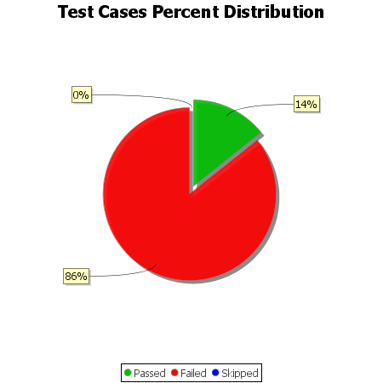
Total Test Cases | 7
Test Cases Passed | 1
Test Cases Failed | 6
Test Cases Skipped | 0

